Sheet1
Color | Product Main Image | Qty | Retail Price | Product Link
Black | 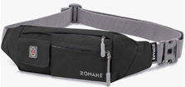 | 112 | $14.69 | https://www.amazon.com/dp/B07Y2KK6WR?th=1&psc=1
Yellow | 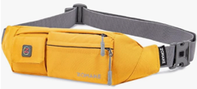 | 80 | $15.84 | https://www.amazon.com/dp/B07Y2RKMVR?th=1&psc=1
Grey | 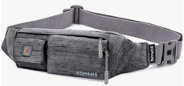 | 106 | $12.97 | https://www.amazon.com/dp/B07Y2RLNTM?th=1&psc=1
Light Blue | 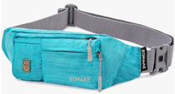 | 93 | $17.78 | https://www.amazon.com/dp/B07Y2RMF45?th=1&psc=1
Navy Blue | 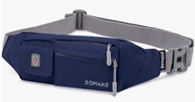 | 631 | $16.04 | https://www.amazon.com/dp/B07Y2RMPSM?th=1&psc=1
Red | 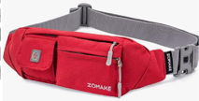 | 99 | $16.18 | https://www.amazon.com/dp/B07Y2S8RQ4?th=1&psc=1
Blue Grey | 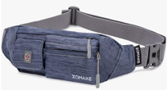 | 121 | $9.99 | https://www.amazon.com/dp/B07Y2SCL18?th=1&psc=1
Light Grey | 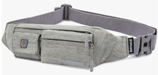 | 338 | $11.76 | https://www.amazon.com/dp/B07Y2SGRHN?th=1&psc=1
Glaucous | 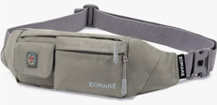 | 480 | $16.12 | https://www.amazon.com/dp/B07Y2SR14R?th=1&psc=1

 |  | 2060

